Pic1A
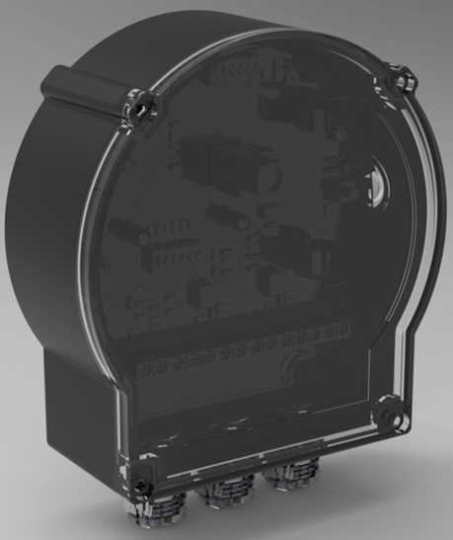
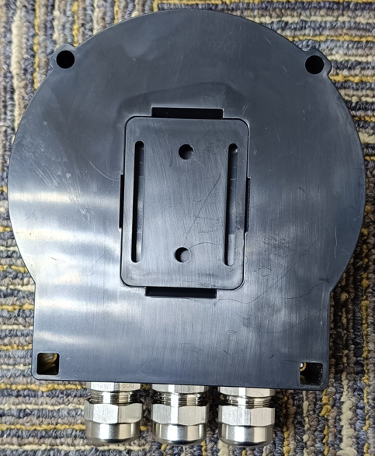
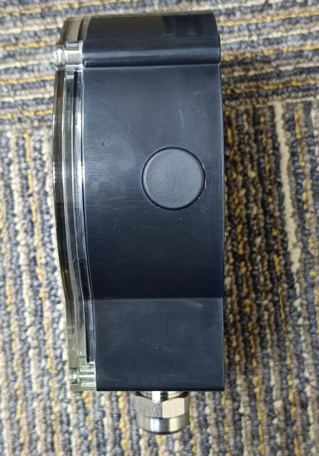

After Injection Molding

3D CAD Model

Pic1B
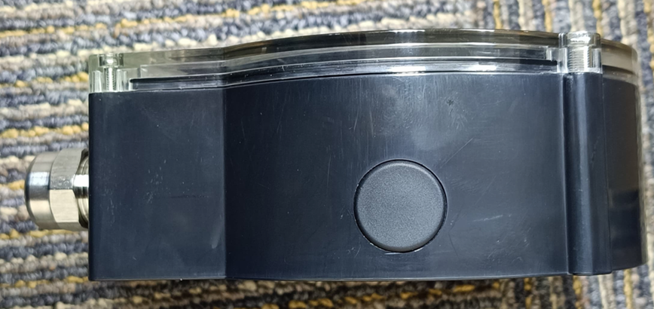

Pic1C
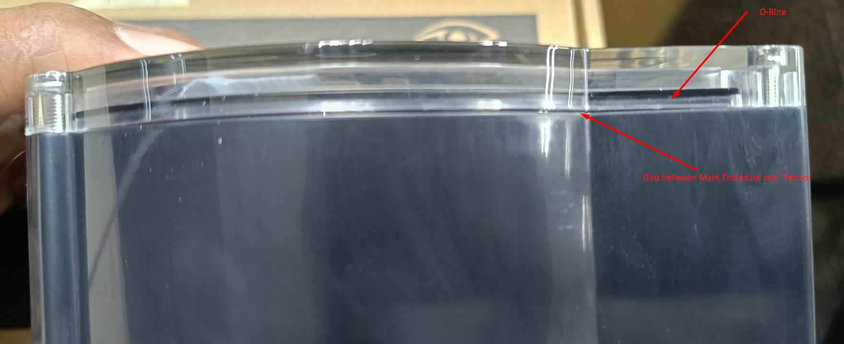

Pic1D
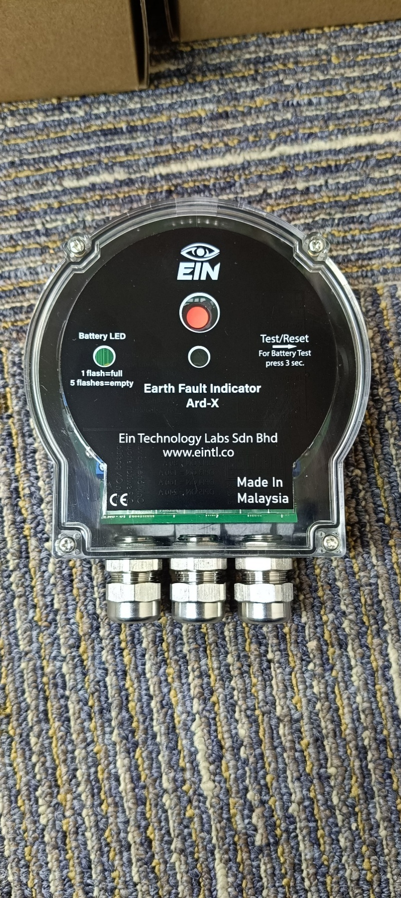

Pic2A
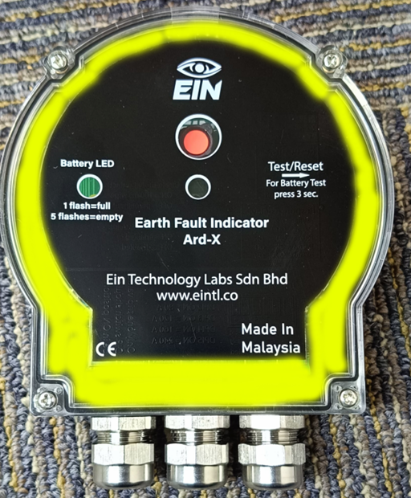

Pic2B


Pic2C
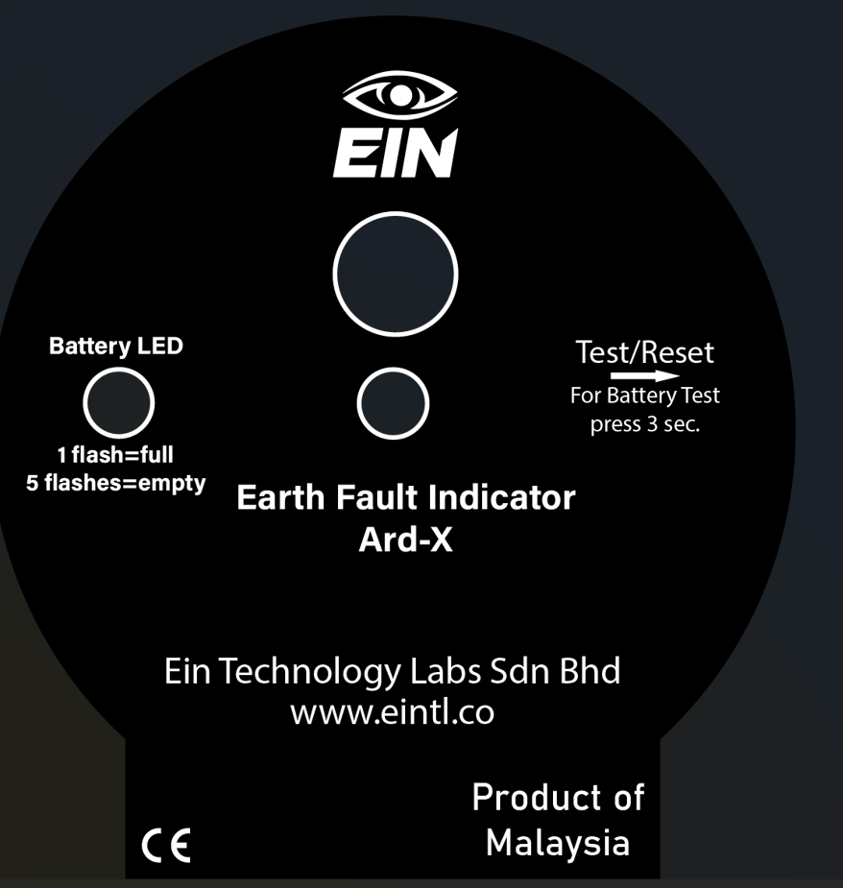

Pic2D
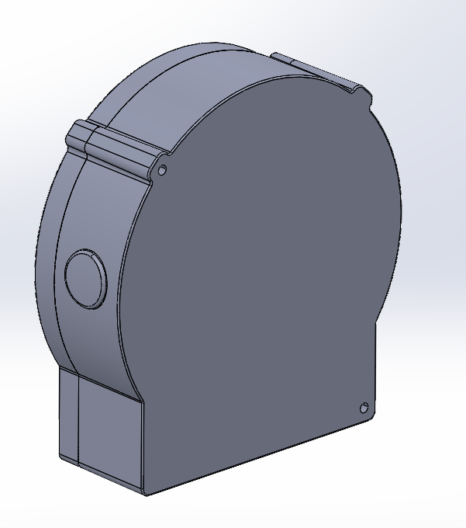

Pic2E
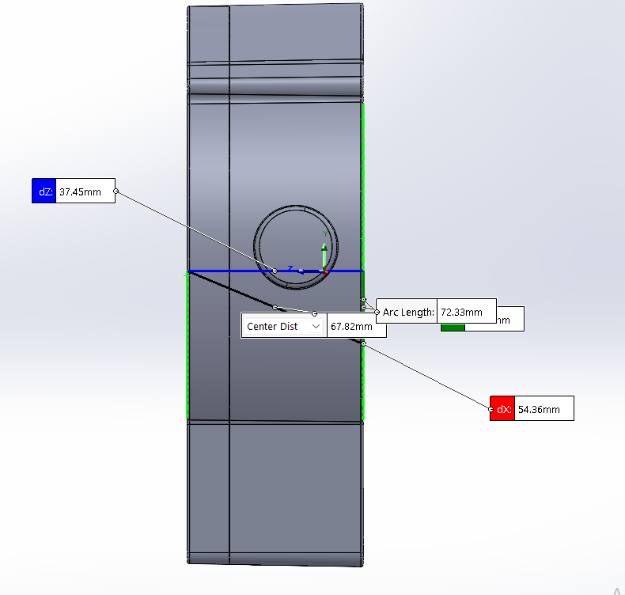

Fault Indicator Ard-X BoM V1.1
Fault Indicator Ard-X BoM V1.1
Item No. | Part Name | Material | Quantity | Quantity 1K | Quantity 2K | Description | Link
1 | Front Cover | PC+ABS UL94 -V0 | 1 | 1000 | 2000 | Removeable Front cover for Easy battery installation.
2 | Main Enclosure | Need to change the material | 1 | 1000 | 2000 | Main Enclouser with internal mounts for PCB.
3 | Side Button Cover | Rubber | 1 | 1000 | 2000 | Rubber Cover for Side Button.
4 | O-Ring | Rubber | 1 | 1000 | 2000 | O-ring For Waterproofing. | 122mm ID x 1.5mm C/S
5 | M3x8mm Self tapping Screw | Stainless Steel | 4 | 4000 | 8000 | M3x4mm Self tapping Screw for PCB Mounting. | M3x4mm
6 | M3x16mm Machine Screw | Stainless Steel | 2 | 2000 | 4000 | M3x16mm Machine Screw for Front Cover. | M3x16mm
7 | M3x45mm Machine Screw | Stainless Steel | 2 | 2000 | 4000 | M3x45mm Machine Screw for Panel Mounting. | M3x45mm
8 | M3 Hexagon Flange Nut | Stainless Steel | 2 | 2000 | 4000 | M3 Nut For Panel Mounting. | M3 Nut
9 | M3 Phillips Pan Head Self-tapping Screw | Stainless Steel | 2 | 2000 | 4000 | M3x45mm Machine Screw for Wall Mounting. | M3x50mm
10 | Brass Inserts for Main Enclosure | Brass | 2 | 2000 | 4000 | M3x5x10 Brass Inserts. | M3x5x10
11 | M5 Plastic Pipe Expansion Plug | Plastic | 2 | 2000 | 4000 | Plastic Pipe Expansion Plug Wall Mounting Bracket | Plastic Pipe M4x20
12 | Staninlees Steel Metallic Cable Gland | Stainless Steel | 3 | 3000 | 6000 | Cable Gland for Cable protection | Cable Gland PG-9
13 | Cardboard Box For Packaging | Cardboard | 1 | 1000 | 2000 | Cardboard Box For Packaging Ard-X | 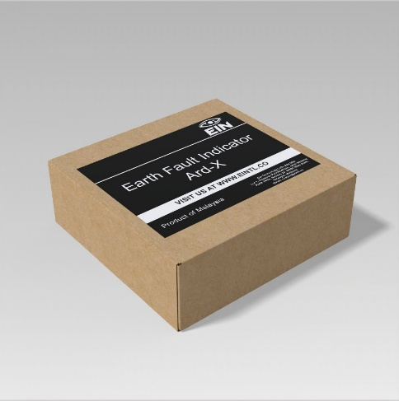
14 | Device Sticker Front | Plastic | 1 | 1000 | 2000 | Fault Indicator Device Sticker will be paste on the Front Cover outside. | 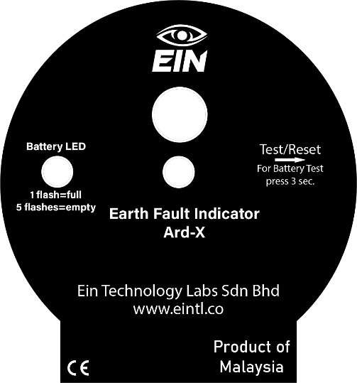
15 | Device Sticker Front Inside | Plastic | 1 | 1000 | 2000 | Fault Indicator Device Sticker will be paste on the Front Cover Inside | 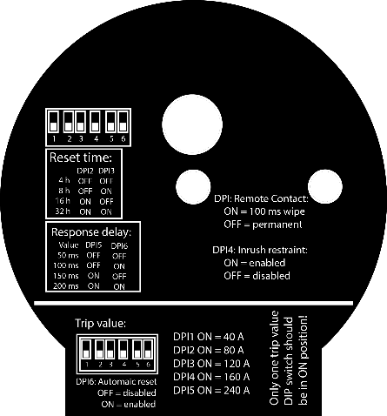
16 | Box Sticker | Plastic | 1 | 1000 | 2000 | Fault Indicator Ard - X Sticker paste on the top of the Cardboard Box. | 
17 | Device Serial Number Sticker | Plastic | 1 | 1000 | 2000 | Device Serial Number Sticker will be paste on the device | Please See Folder Named Fault Indicator Ard - X Serial Numbers
18 | Box Serial Number | Plastic | 1 | 1000 | 2000 | Same serial number of the device will be paste on the Cardboard Box

